HOME




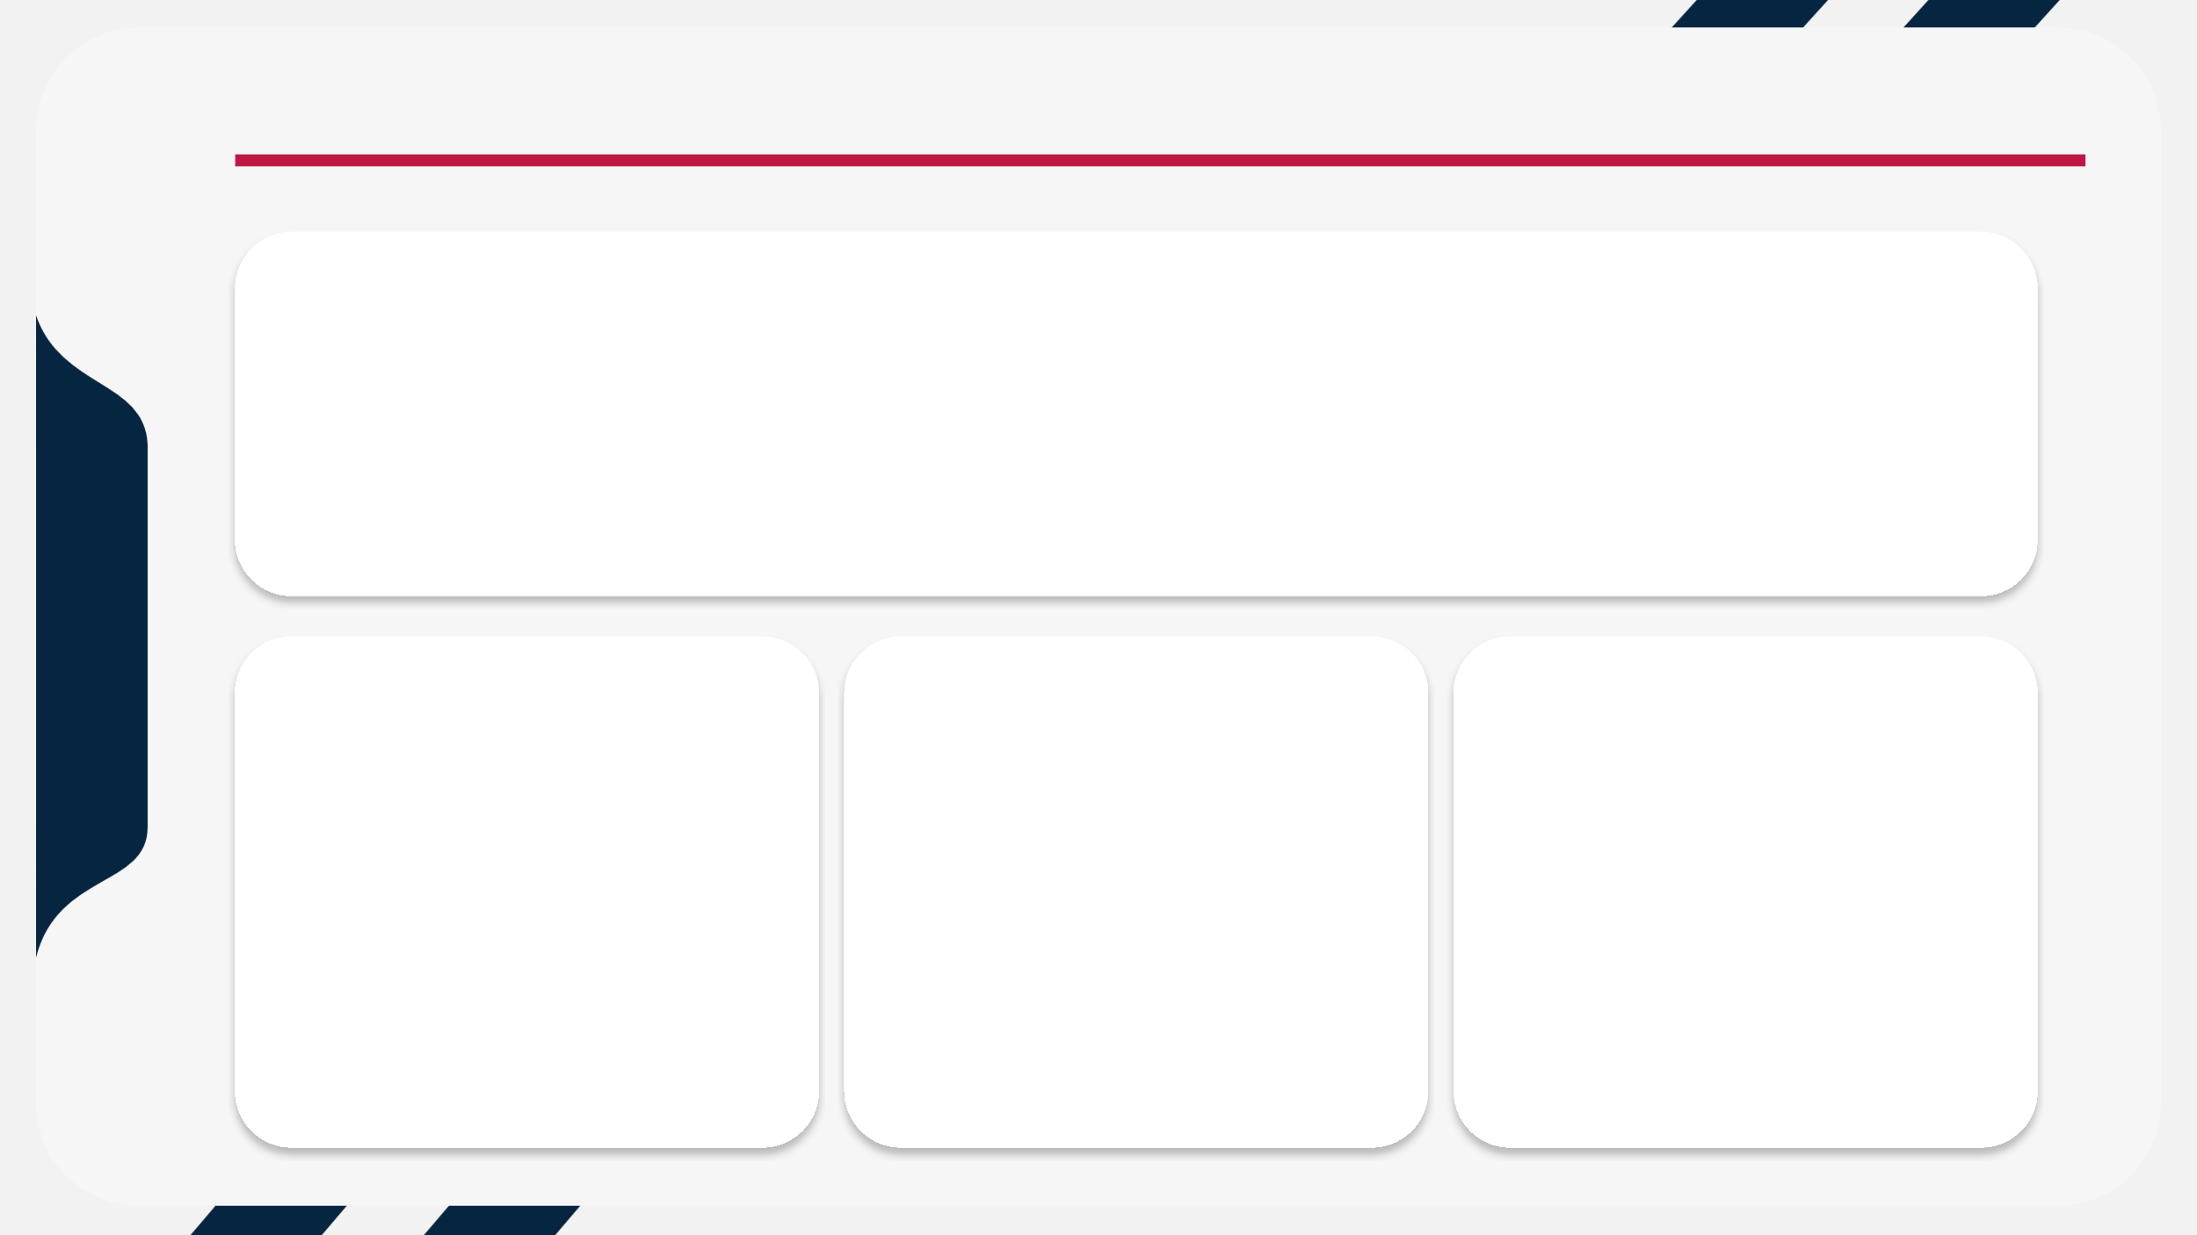
Loan Management & Branch Analytics Dashboard

Loan Overview Dashboard

Loan Overview Dashboard

Percentage Of Approvel
Loan Amount
RPM

54.60%
1410284
Maturity
23%
38,605,857

Portfolio Growth
 | Total
Apr-2023 | 1644049.51
Apr-2024 | 1376763.57
Aug-2023 | 1911634.93
Aug-2024 | 1715371.91
Dec-2023 | 1706055.34
Dec-2024 | 1954659.6
Jun-2024 | 1468088.07
Mar-2024 | 2044158.6
May-2024 | 1958283.31
Nov-2024 | 1159435.85
Oct-2024 | 1242980.76
Sep-2024 | 1439707.85
Percentage Of Approval Status
 | Total
No | 454
Yes | 546

Customer Insights Dashboard

Customer Insights Dashboard

Total Customers

Repeat Customers
Mature Customers
Average Loan per Customer

100
100%
386,058.57
89

Loan Portfolio by Gender
 | Total
Female | 43
Male | 57
Loan Distribution by Age Group
 | Total
≤25 | 10.00
26-35 | 31.00
36-45 | 28.00
46-55 | 18.00
56+ | 13.00

Branch Performance Dashboard
Branch Performance Dashboard

Total Branches
Branch with Highest Maturity percentage
Branch with Highest Portfolio
Branch with Highest Rejected Loans

10
Hernandezhaven
North Phillip
East Carrie

Maturity Percentage BY Branch
 | Total
Angelastad | 24%
East Carrie | 25%
East Jenniferfort | 26%
Franciscoport | 26%
Hernandezhaven | 22%
Marciaville | 17%
North Phillip | 30%
Porterton | 21%
West Sarah | 22%
Williamhaven | 20%
Top Branches by Portfolio Size
 | Total
Hernandezhaven | 4356335.4
Franciscoport | 4233015.87
Angelastad | 4115139.06
East Jenniferfort | 4060588.97
Porterton | 3946702.22
North Phillip | 3788112
Marciaville | 3639656.87
Williamhaven | 3558604.82
West Sarah | 3526715.84
East Carrie | 3380986.31

